3. Using the selection tool
The Selection tool buttons can be used to filter the suggestions for questions according to the relevant curriulum, the learning aims, and type of research being undertaken.

 | Use this button to clear the Filters after each search. |  | Denotes multiple selection is on
 |  |  | Denotes multiple selecton if off |  | Go to Question Selection
1. Select NERUPI Curriculum
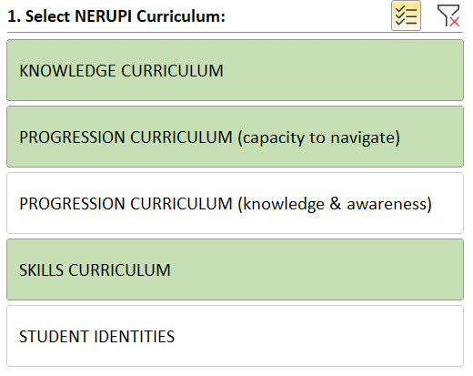
 |  | Firstly, filter the questions according to the relevant NERUPI curriulum (selected items remained coloured whilst de-selected ones are white).
 |  | Make sure the multiple selection button is switched on if you wish to select multiple items.
 |  | To start again click on the red cross to clear the filter.

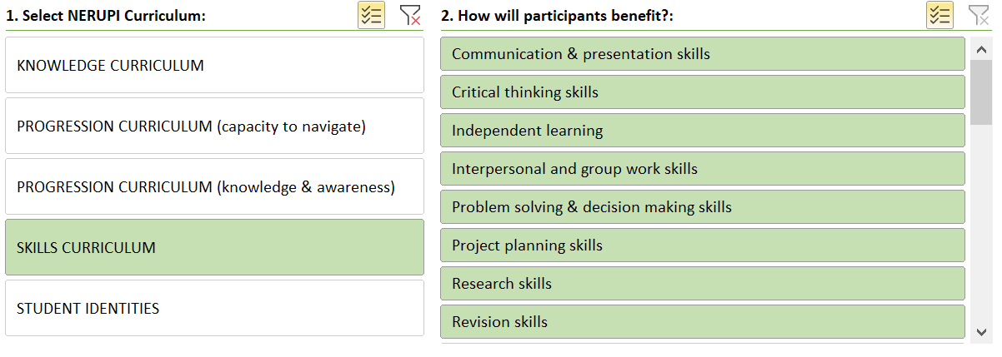
2. Select the ways in which the participants are expected to benefit from taking part
 |  |  |  | Second, review the aspects of knowledge, expertise, skills and experience that best represents how the activity seeks to develop the participants' capabilities, and select out any that do not apply to your activity.
 |  |  |  | You may need to use the scroll bar on the right had side to scroll through the whole of the list.
 |  |  |  | To start again click on the red cross to clear the filter.

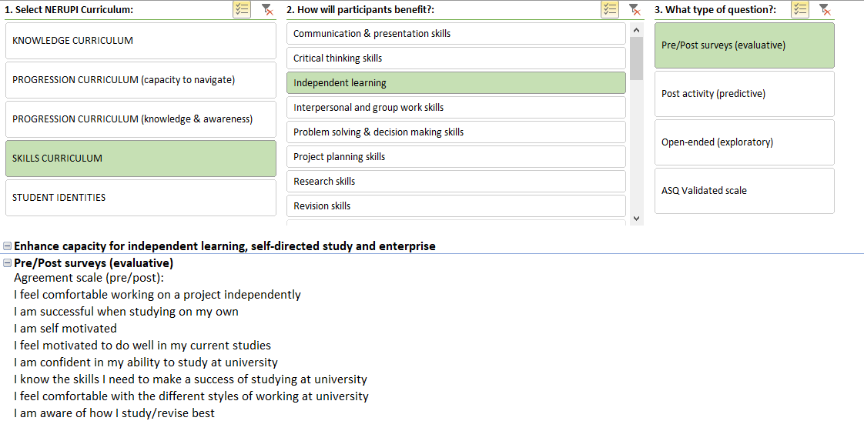
3. Select the type of question
 |  |  |  |  | Third select question type(s) that apply in order to focus in on the type(s) of questions that fit with your method(s).
 |  |  |  |  | To start again click on the red cross to clear the filter.

 |  |  |  |  | The suggested question(s) for the participants that fit with your activity learning objectives and methods will displayed underneath the selection pane.

